Indices

 | Iraq Stock Exchange
 | Bulletin No (110)
 | ISX Trading Indices of Sunday 28/6/2026

 | Traded Volume and OTC |  | 1,105,143,800 |  | Traded Value and OTC |  | 1,636,434,336 |  | Traders | 1635

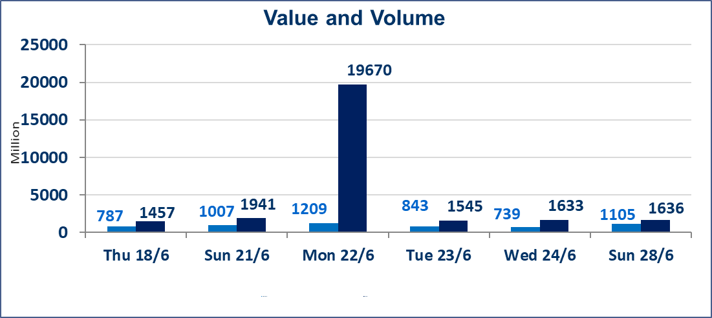
 | ISX Index 60 |  |  | 1028.21 | ISX Index 15 |  |  | 1291.09
 | Previous ISX Index60 |  |  | 1034.28 | Previous ISX Index15 |  |  | 1293.97
 | Change % |  |  | -0.59 | Change % |  |  | -0.22
 | Change |  |  | -6.07 | Change |  |  | -2.88

 | Listed Companies | 103 | OTC | 17 | Non Traded listed | 38 | OTC | 16
 | Traded Listed Companies | 53 | OTC | 1 | Higher Companies |  |  | 15
 | GAM Companies |  |  | 4 | Lower Companies |  |  | 17
 | Suspended Companies |  |  | 8
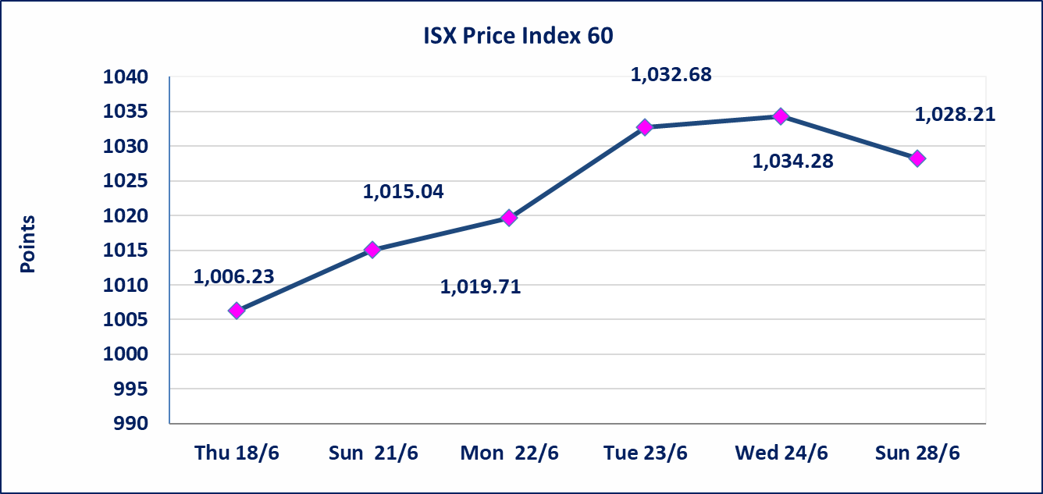
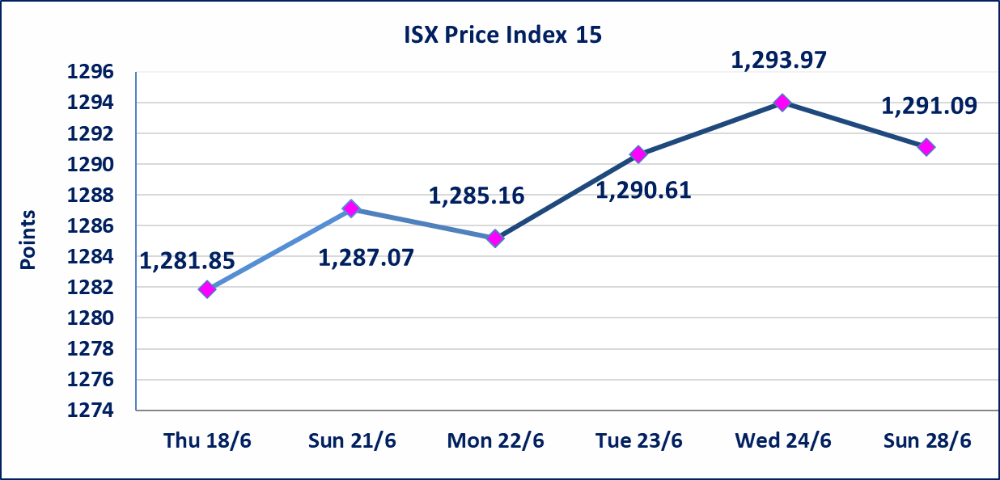

Al-Alwiya P.O . 3607 Mobile: 07711211522 - 07270094594 - 07834000034 E-mail: info-isx@isx-iq.net Web site:www.isx-iq.net

Top 5
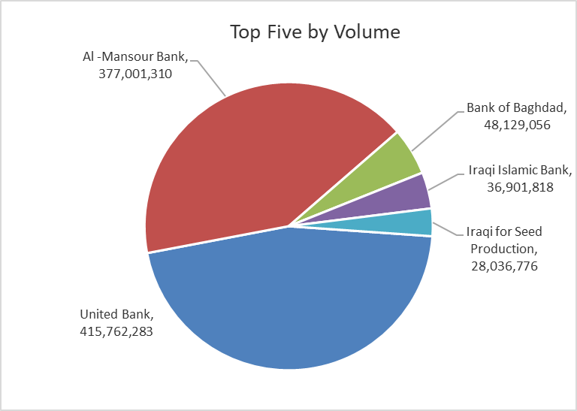
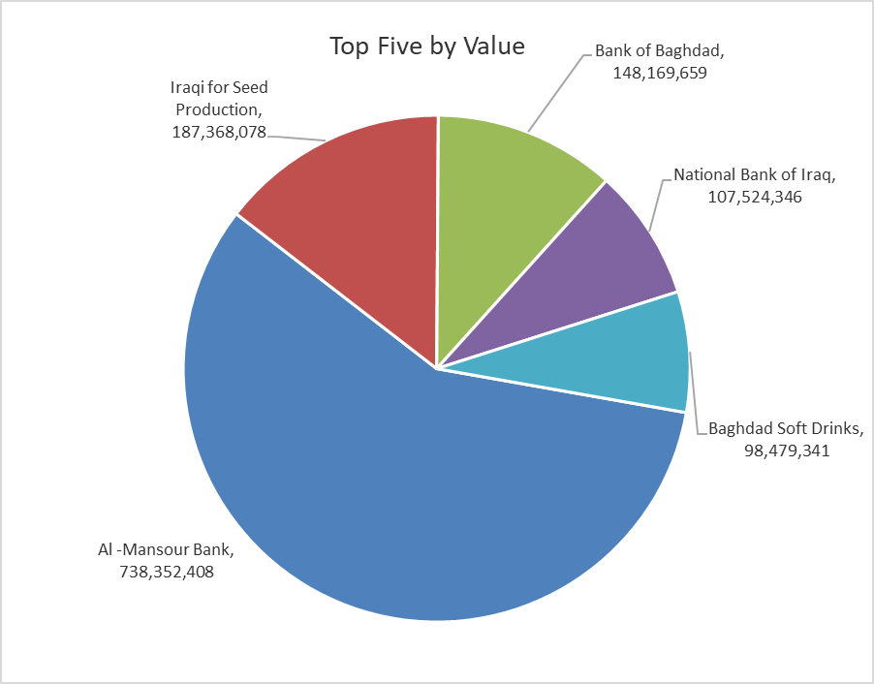

ISX top ganing and losing companies
Sunday 28/6/2026
 | Gainers |  |  |  | Losers
 | Company Name | Closing Price | Change (%) | Traded Volume | Company Name | Closing Price | Change (%) | Traded Volume
 | Elaf Islamic Bank | 0.290 | 20.83 | 105,000 | National Furniture Industries | 0.810 | -10.00 | 307,225
 | Kurdistan International Bank | 1.450 | 20.83 | 168,611 | Ready Made Clothes | 2.470 | -8.52 | 2,156,870
 | Iraqi Agricultural Products | 11.000 | 10.00 | 140,000 | Sumer Commercial Bank | 0.190 | -5.00 | 15,342,543
 | Babil Animal & Vegetable Production | 7.700 | 8.45 | 55,522 | Commercial Islamic Bank of Iraq | 0.650 | -4.41 | 602,651
 | Ashur International Bank | 0.310 | 6.90 | 9,203,031 | Al-Khatam Telecom | 4.060 | -2.17 | 284,054
 | The most active companies in term of traded volume and value

 | Traded Volume |  |  |  | Traded Value
 | Company Name | Closing Price | Change (%) | Traded Volume | Company Name | Closing Price | Change (%) | Traded Value
 | United Bank | 0.060 | 0.00 | 415,762,283 | Al -Mansour Bank | 1.960 | -1.01 | 738,352,408
 | Al -Mansour Bank | 1.960 | -1.01 | 377,001,310 | Iraqi for Seed Production | 6.660 | -1.77 | 187,368,078
 | Bank of Baghdad | 3.050 | -0.65 | 48,129,056 | Bank of Baghdad | 3.050 | -0.65 | 148,169,659
 | Iraqi Islamic Bank | 1.090 | 0.93 | 36,901,818 | National Bank of Iraq | 4.180 | 1.95 | 107,524,346
 | Iraqi for Seed Production | 6.660 | -1.77 | 28,036,776 | Baghdad Soft Drinks | 6.690 | -1.04 | 98,479,341

Non Iraqis

Iraq Stock Exchange
Non Iraqis' Bulletin Sunday Jun 28 2026
Regular Market

Non Iraqi Trading of Regular Market (Buy)
Company Names | Code | No.of trades | Traded Shares | Trading Volume
Banks Sector
Bank Of Baghdad | BBOB | 1 | 50,000 | 153,500
National Bank Of Iraq | BNOI | 2 | 300,000 | 1,350,000
Al-Mansour Bank | BMNS | 30 | 126,081,027 | 247,084,649
Total Bank sector |  | 33 | 126,431,027 | 248,588,149
Telecommunication Sector
Asia cell | TASC | 1 | 46,637 | 783,502
Total Telecommunication sector |  | 1 | 46,637 | 783,502
Grand Total |  | 34 | 126,477,664 | 249,371,651

Non Iraqi Trading of Regular Market (Sell)
Company Names | Code | No.of trades | Traded Shares | Trading Volume
Banks Sector
National Bank Of Iraq | BNOI | 12 | 3,312,077 | 13,883,238
Al-Mansour Bank | BMNS | 1 | 9,150,536 | 18,026,556
Total Bank sector |  | 13 | 12,462,613 | 31,909,794
Telecommunication Sector
Asia cell | TASC | 18 | 754,952 | 12,715,941
Al-Khatem Telecoms | TZNI | 4 | 32,377 | 134,365
Total Telecommunication sector |  | 22 | 787,329 | 12,850,306
Grand Total |  | 35 | 13,249,942 | 44,760,100

Not Trading Bonds

Iraq Stock Exchange
Sunday 28/6/2026
Not Trading Bonds Bulletin
Bond type | Publish type | Code | last trading price | immortilize date
Banaa Bonds /Million ID | Second | CB20 | 964,981 | 19/12/2025
Eamar Bonds /Million ID | First | CB30 | 1,001,095 | ــــــــــــــــ
Eamar Bonds /Million ID | Second | CB40 | ــــــــــــــــ | ــــــــــــــــ
Eamar Bonds /500 Thousand ID | Third | CB45 | ــــــــــــــــ | ــــــــــــــــ
Eamar Bonds /Million ID | Third | CB50 | ــــــــــــــــ | ــــــــــــــــ
Injaz Bonds /500 Thousand ID | First | CB55 | ــــــــــــــــ | ــــــــــــــــ
Injaz Bonds /Million ID | First | CB60 | 951,110 | ــــــــــــــــ
Injaz Bonds /500 Thousand ID | Second | CB65 | 511,000
Injaz Bonds /Million ID | Second | CB70 | 965,050 | ــــــــــــــــ
Injaz Bonds /500 Thousand ID | Third | CB75 | ــــــــــــــــ | ــــــــــــــــ
Injaz Bonds /Million ID | Third | CB80 | 978,182 | ــــــــــــــــ
National Bonds/Million ID | First | CB90 | ــــــــــــــــ | ــــــــــــــــ
National Bonds/500 Thousand ID | Second | CB95 | ــــــــــــــــ | ــــــــــــــــ
National Bonds/Million ID | Second | CB100 | ــــــــــــــــ | ــــــــــــــــ

